Cover
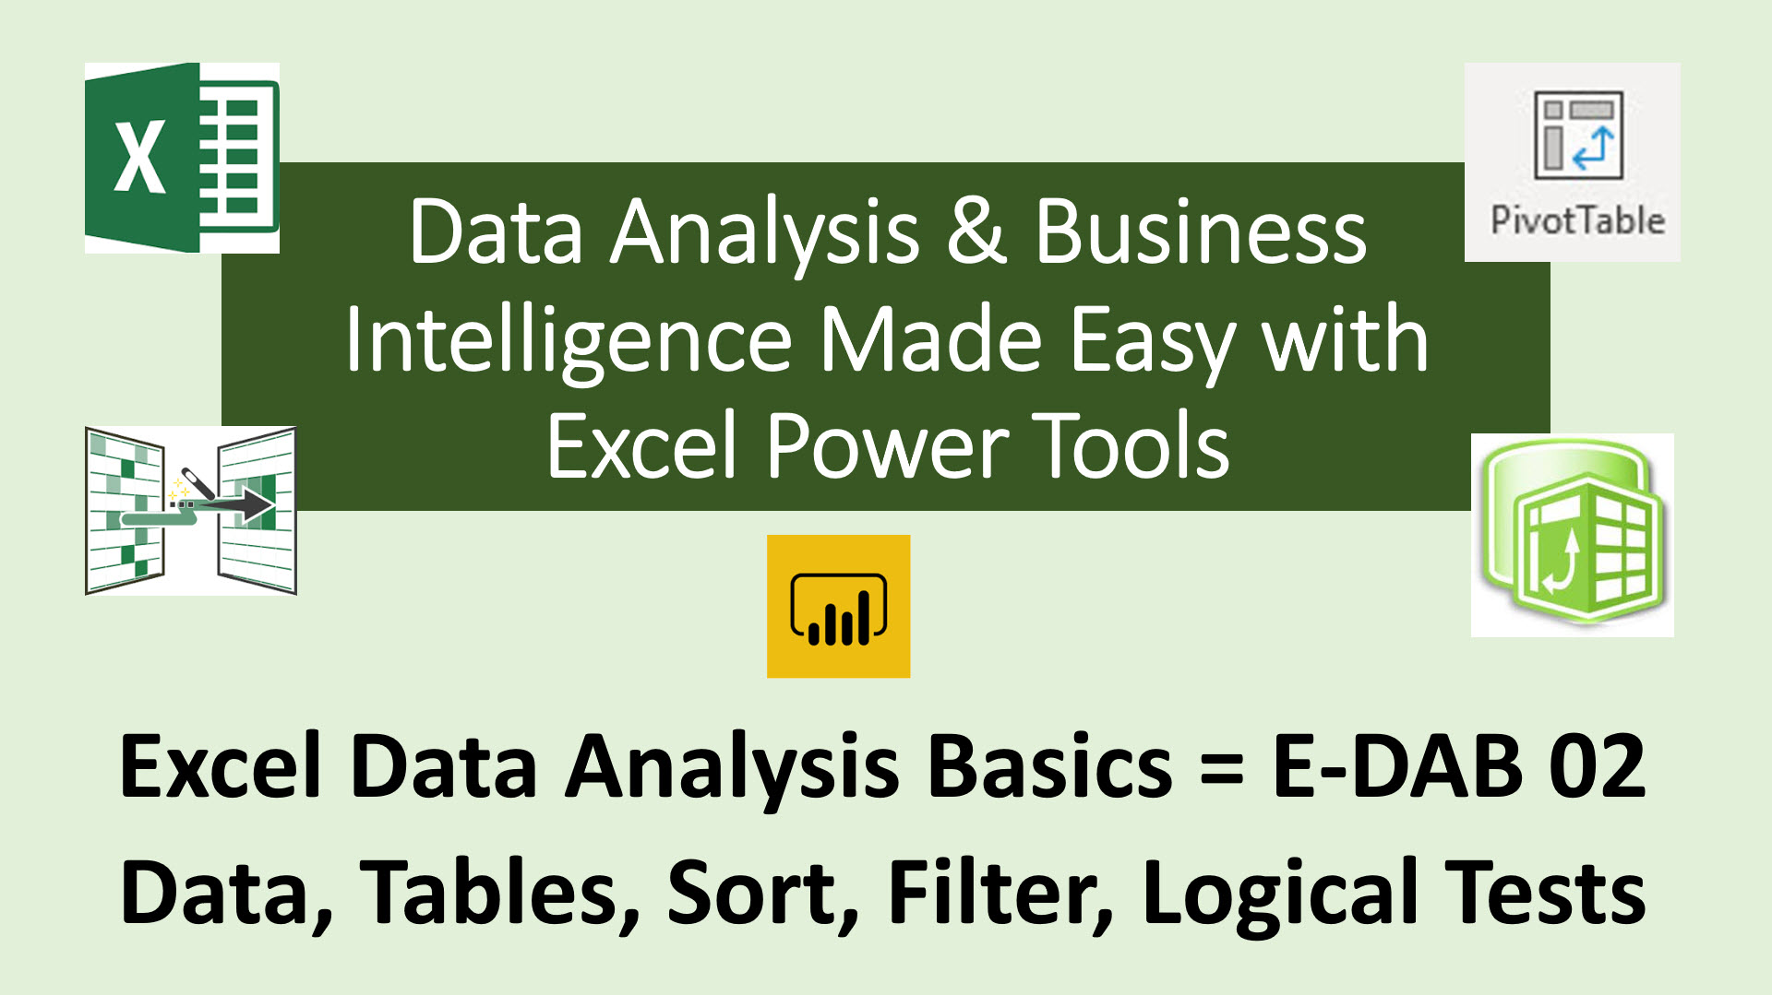

Excel
Objective #1: What is Excel?

 |  |  |  |  |  | Cell I4 |  | Column Header I. Row Header 4.

1) | Column & Row make up Cell
2) | Cells can hold Data
3) | All Cells = Worksheet = Sheet
4) | Name of Sheet is in Sheet Tab
5) | All Worksheets = Workbook = File
6) | Default Alignment for Data in Excel:
 | <==Text align Left |  |  | Text |  | Excel
 |  |  | Numbers align Right ==> | 43 |  | 43 |  | 43
 |  |  | Dates align Right ==> | 2019-02-08 |  | 43..15 | 43.15 | 43.00
 |  |  | Times align Right ==> | 21:34:00 |  | 18/2/2019 | 2019-02-18 | 1.45%
 | Boolean align in center |  |  | TRUE |  | 8:00AM | 8:00:00
 | Boolean align in center |  |  | FALSE |  |  | TRUE
7) | Number Formatting displays numbers a certain way
 | without changing the Underlying Number.
 | General Number Format |  |  | 43 | * No Format
 | Decimal Number Format |  |  | 43.00 | * Decimal point & zeroes are not in cell
 | Currency Number Format |  |  | $43.00 | * $ sign, decimal point & zeroes are not in cell
 | Date Number Format |  |  | 2019-02-08 | * Under Dates and whole numbers, 1, 2, 3… So we can do math on dates.
 | Times Number Format |  |  | 21:34:00 | * Under Times are decimals. So we can do math on times.
8) | What Excel can do:
 | 1] Make Calculations: like calculating Net Income. |  |  |  |  | Calculate Net Income:
 | 2] Data Analysis: Converting Raw Data into |  |  |  |  | Total Revenue |  | 5789.23
 | Useful Information, like Charting Product Sales. |  |  |  |  | Total Expenses |  | 4588.01
 |  |  |  |  |  | Net Income |  | 1201.22 | Formula to calculate Net Income: =K27-K28

 |  |  | Raw Data: |  | Convert Into ==>> |  |  | Useful Information:

 |  | Date | Product | Sales ($) |  |  |  | Goal: Trend in Quad Sales?
 |  | 2019-03-31 | Quad | 560
 |  | 2019-04-30 | Quad | 781 |  |  |  | Answer = Information Created from Raw Data
Quad Sales ($) 2019
 | Sales ($)
2019-03-31 | 560
2019-04-30 | 781
2019-05-31 | 612
2019-06-30 | 714
2019-07-31 | 932
2019-08-31 | 717
2019-09-30 | 718
2019-10-31 | 1203
2019-11-30 | 1445
2019-12-31 | 1334
 |  | 2019-05-31 | Quad | 612
 |  | 2019-06-30 | Quad | 714
 |  | 2019-07-31 | Quad | 932
 |  | 2019-08-31 | Quad | 717
 |  | 2019-09-30 | Quad | 718
 |  | 2019-10-31 | Quad | 1203
 |  | 2019-11-30 | Quad | 1445
 |  | 2019-12-31 | Quad | 1334

D or I
 |  |  |  |  |  |  | 701.1

Objective #3: Difference Between Data & Information?

 | Data = Unorganized Raw Data |  |  |  | Information = Organized & Presented Data
 | Data alone doesn't yield insight |  |  |  | Helps people make decisions
 | Data alone is not very useful |  |  |  | Helps see patterns and gain insight

Define Data Analysis = Convert Data Into Useful Information

 |  | Raw Data: |  | Convert Into ==>> | Useful Information:

 | Date | Product | Sales ($) |  | Goal: Which Product Had Lowest Sales?
 | 2019-02-15 | Quad | 287.7
 | 2019-02-15 | Aspen | 89.85 |  | Answer = Information Created from Raw Data
 | 2019-02-15 | Aspen | 239.6
 | 2019-02-15 | Sunspot | 65.85 |  | Product | Sum of Sales ($)
 | 2019-02-15 | Aspen | 329.45 |  | Aspen | 658.9
 | 2019-02-15 | Quad | 383.6 |  | Quad | 1150.8
 | 2019-02-15 | Sunspot | 131.7 |  | Sunspot | 482.9
 | 2019-02-15 | Sunspot | 285.35 |  | Grand Total | 2292.6
 | 2019-02-15 | Quad | 239.75
 | 2019-02-15 | Quad | 239.75

 |  | Raw Data: |  | Convert Into ==>> | Useful Information:

 | Date | Product | Sales ($) |  | Goal: Trend in Quad Sales?
 | 2019-03-31 | Quad | 560
 | 2019-04-30 | Quad | 781 |  | Answer = Information Created from Raw Data
 | 2019-05-31 | Quad | 612
Quad Sales ($) 2019
 | 2019-06-30 | Quad | 714
 | 2019-07-31 | Quad | 932
 | 2019-08-31 | Quad | 717
 | 2019-09-30 | Quad | 718
 | 2019-10-31 | Quad | 1203
 | 2019-11-30 | Quad | 1445
 | 2019-12-31 | Quad | 1334

Proper Data Sets
 | Objective #4: Define Proper Data Set.

 | Proper Data Set = Table = Table of Data = Table with 1) Field Names in first row and 2) Records containing Data in subsequent rows.
 | In Excel you must have empty cells or Column/Row headers around the Proper Data Set in order for the Excel & Power Tools to work.
 | Fields = Column Headers =
 | Other terms you may see: Field Names, Columns, Variables, Attributes
 | Fields define what type of data goes into the column
 | Data Type =
 | What type of data is in Column? Date, Number, Text and so on?
 | Traditionally, in an Excel Spreadsheet we do not have Data Types.
 | Power Tools (Power Query, Power Pivot and Power BI Desktop) we will have to define Data Types if we want our analysis to work correctly.
 | Records = Rows = One Data point for each Field in a row.
 | Examples of records:
 | 1) Sales Transactions, where each row represents a product sold with data like date and sales amount
 | 2) Unique Product Information, where each row has the product code, price, cost and other product attributes.
 | Delimiter = In Text Files (Special Files that hold Proper Data Sets) a Delimiter is a designated character, such as a Tab or Comma,
 |  | that separates each Field and each Small Piece of Raw Data.
 | Naming = Name all tables, fields and other items: 1) smartly and 2) consistently

Example 1: Proper Data Set in Excel. Records = Sales Transaction |  |  |  | Example 2: Proper Data Set in Excel. Records = Unique Product
Fields, 1st row
Records with Data
in each row
Date | ProductID | Units Sold | Sales ($) |  | ProductID | Product | Flight Range (M) | Retail Price
2019-02-15 | 1043 | 6 | 287.7 |  | 1043 | Quad | 20 | 47.95
2019-02-15 | 1069 | 3 | 89.85 |  | 1069 | Aspen | 25 | 29.95
2019-02-15 | 1069 | 8 | 239.6 |  | 2005 | Sunspot | 15 | 21.95
2019-02-15 | 2005 | 3 | 65.85
2019-02-15 | 1069 | 11 | 329.45
When a Table of Data is in an Excel Worksheet, there must be empty cells all the way around data set, or Excel Column Row Headers
2019-02-15 | 1043 | 8 | 383.6
2019-02-15 | 2005 | 6 | 131.7
2019-02-15 | 2005 | 13 | 285.35
2019-02-15 | 1043 | 5 | 239.75
2019-02-15 | 1043 | 5 | 239.75

PDS Mandatory
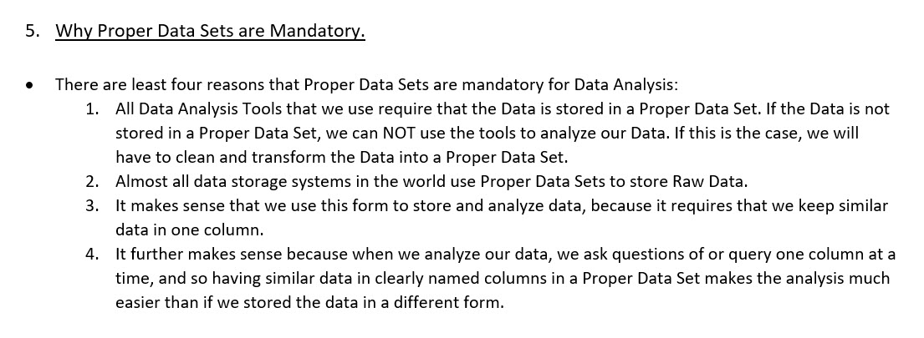
Objective #5: Why Proper Data Sets are Mandatory.

T NOT C
Objective #6: Tables are not Charts.

Table = Field Names & Records with Data. |  |  | Chart = Visual Portrayal of Number Data.

Quad Sales ($) 2019
 | Sales ($)
2019-03-31 | 560
2019-04-30 | 781
2019-05-31 | 612
2019-06-30 | 714
2019-07-31 | 932
2019-08-31 | 717
2019-09-30 | 718
2019-10-31 | 1203
2019-11-30 | 1445
2019-12-31 | 1334
Date | Product | Sales ($)
2019-03-31 | Quad | 560
2019-04-30 | Quad | 781
2019-05-31 | Quad | 612
2019-06-30 | Quad | 714
2019-07-31 | Quad | 932
2019-08-31 | Quad | 717
2019-09-30 | Quad | 718
2019-10-31 | Quad | 1203
2019-11-30 | Quad | 1445 | We are displaying how a number changes over the category "Month"
2019-12-31 | Quad | 1334

We are storing Data in a Proper Data Set (Table)

This may seem obvious, but people confuse these two items regularly in academia, statistics, and other fields

Logical Tests
Objective #11: Logical Tests

Using Filtering, we are showing only the records for Sales Rep "Alma" AND " Auto "Chevy". This is an example of an AND Logical Test because in order for the record to show, we needed the record to contain "Alma" and "Chevy".
Date | Sales Rep | Autos | Sales
2017-04-30 | Alma | Chevy | $88,016
2016-09-27 | Alma | Chevy | $69,598
2017-01-30 | Alma | Chevy | $107,034

Sum of Sales ($) | Autos
Sales Rep | Chevy | Ford | Honda | Toyota | Grand Total
Alma | 264,648 | 33,105 |  | 125,940 | 423,693
Jaeyoung |  |  | 171,395 |  | 171,395
Rina | 33,415 |  |  | 47,352 | 80,767
Tyrone | 134,274 | 97,432 | 71,880 |  | 303,586
Grand Total | 432,337 | 130,537 | 243,275 | 173,292 | 979,441

Using a PivotTable, we are adding the sales only for the records where the Sales Rep is "Alma" AND the Auto is "Chevy". This is an example of an AND Logical Test because in order for the sales number to be added, we needed the record to contain "Alma" and "Chevy".

